f-test
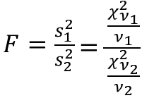
Subject ID | Score 1 | Score 2 | F-Test Two-Sample for Variances |  |  | Manual
1 | 76 | 76 |  |  |  | Subject ID | Score 1 | Score 2
2 | 74 | 70 |  | Variable 1 | Variable 2 | 1 | 76 | 76
3 | 99 | 72 | Mean | 79.888888889 | 78.777777778 | 2 | 74 | 70
4 | 75 | 89 | Variance | 133.61111111 | 141.44444444 | 3 | 99 | 72
5 | 67 | 89 | Observations | 9 | 9 | 4 | 75 | 89
6 | 80 | 63 | df | 8 | 8 | 5 | 67 | 89
7 | 79 | 83 | F | 0.94461901021 |  | 6 | 80 | 63
8 | 99 | 68 | P(F<=f) one-tail | 0.46887624109 |  | 7 | 79 | 83
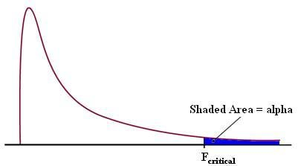
9 | 70 | 99 | F Critical one-tail | 0.29085821857 |  | 8 | 99 | 68
 |  |  | P value for the right side | 0.53112375891 |  | 9 | 70 | 99
 |  |  |  |  |  | Variance
 |  |  |  |  |  | Mean | 79.888888889 | 78.777777778
 |  |  |  |  |  | degree of freedom | 8 | 8

 |  |  |  |  |  | variance | 133.61111111 | 141.44444444
 |  |  |  |  |  | F | 0.94461901021 | 0.53112375891

